Confidence Vote
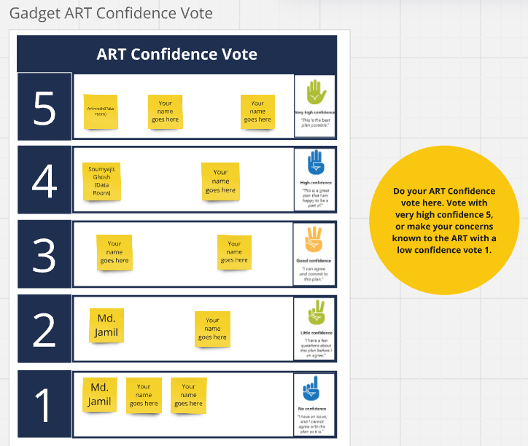
EPIC | Adding Data Room activity information to Deal logs | [Metachain] Migrating QLDB to ImmuDB on IO | [HUB] Migrate from AWS to Azure Cloud | Display correct information on UI upon transaction or connection failure from IO to HUB | Data Artifact JSON files anchor automatically to Metachain | Adding Workflow Activity information to Deal Logs
Soumajit Das with Confidence Vote
Animesh with Confidence Vote
Soumyajit Ghosh with Confidence Vote | 4
Dipro with Confidence Vote
Rajkumar with Confidence Vote
Jamil with Confidence Vote | 4 | 5 | 2 | 5 | 1 | 1
Moumita with Confidence Vote
Saurabh with Confidence Vote

